Page1
 |  |  | Brand | Reebok
 |  |  | Date
 |  |  | Currency | EUR

Picture | Number | Name | Colour | Price | R.R.P. | Available | Size |  |  |  |  |  |  |  |  |  |  |  |  |  |  | Total | Order

 |  |  |  | 32.90 | 89.95

 |  |  |  |  |  |  | EUR | 39 | 40 | 40.5 | 41 | 42 | 42.5 | 43 | 44 | 44.5 | 45 | 45.5 | 46 | 47 | 48
 |  |  |  |  |  |  | UK | 6 | 6.5 | 7 | 7.5 | 8 | 8.5 | 9 | 9.5 | 10 | 10.5 | 11 | 11.5 | 12 | 12.5
 |  |  |  |  |  |  | US | 7 | 7.5 | 8 | 8.5 | 9 | 9.5 | 10 | 10.5 | 11 | 11.5 | 12 | 12.5 | 13 | 13.5
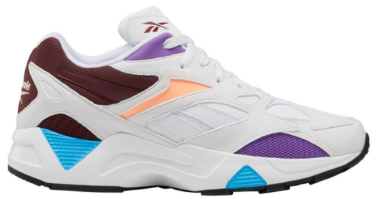 | EF7620 | AZTREK 96 REINVENTE | WHITE/PORCEL/LUXMAR |  |  |  |  |  | 50 | 20 | 190 | 250 | 22 | 238 | 147 | 25 | 53 | 5 |  |  |  | 1,000

